Sheet1


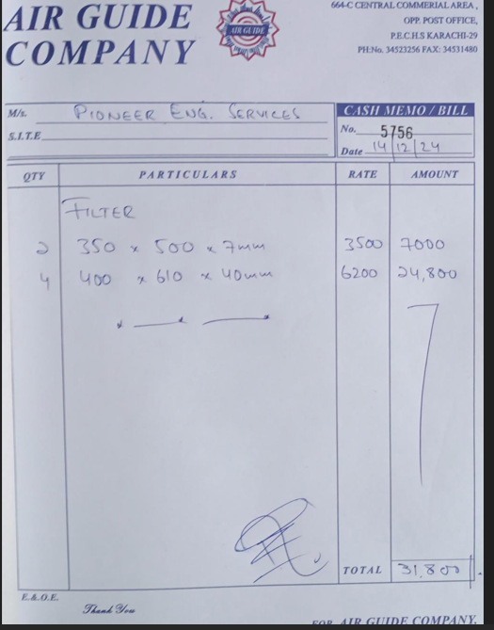

M/S IK Associates |  |  |  |  |  |  | 2024-12-16

Project: Citi bank DMC Karachi

Attn: Syed Talal

Variation order for Filters

S. # | Description | Rate | Over Head profit 28% | Total Rates | Unit | Qty | Amount
1 | Supply of Filters
 | i) 350 x 500 x 7mm | 3,500 | 980 | 4,480 | Nos | 2 | 8,960
 | ii) 400 x 610 x 40mm | 6,200 | 1,736 | 7,936 | Nos | 4 | 31,744
2 | Installation of Filters
 | i) 350 x 500 x 7mm | 1,000 | 280 | 1,280 | Nos | 2 | 2,560
 | ii) 400 x 610 x 40mm | 1,500 | 420 | 1,920 | Nos | 4 | 7,680
Total Amount Rs. |  |  |  |  |  |  | 50,944

Note: Vendor's quotation attached

Thanking you,

For PIONEER ENGINEERING SERVICES.

Bilal Habib

